Sheet1
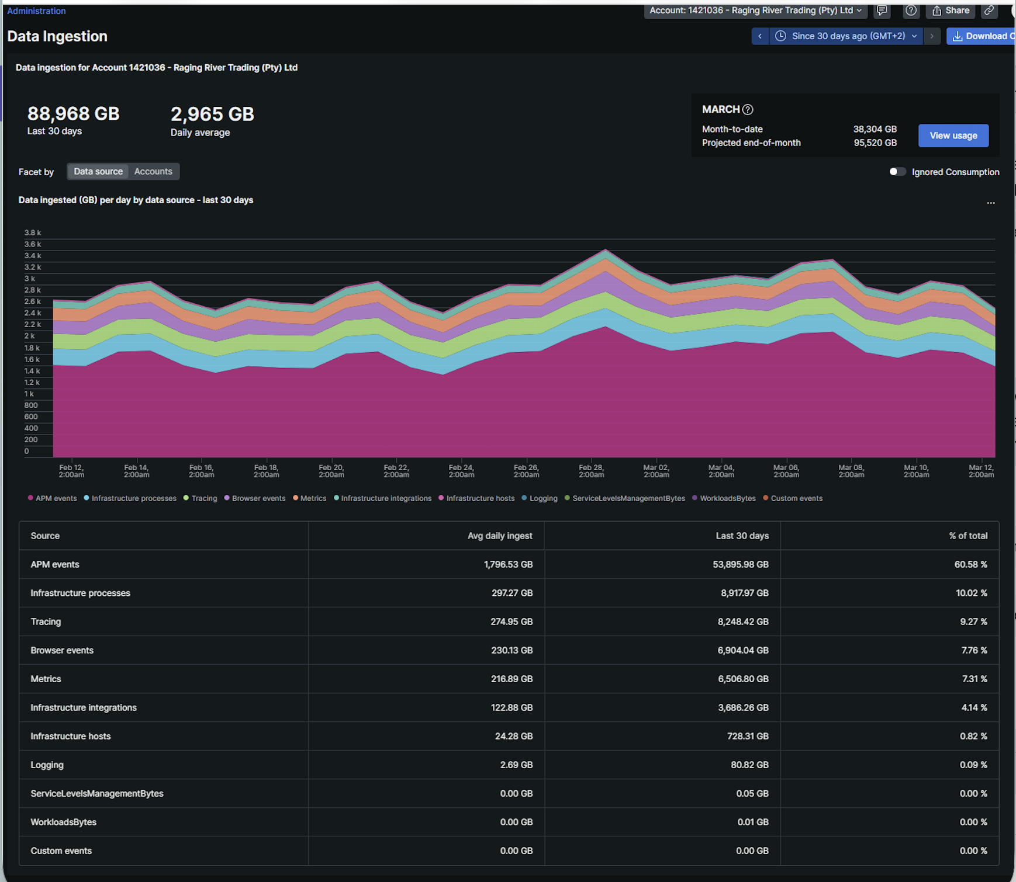

Metrics | 217 | Metrics
Infrastructure Integrations | 123 | Metrics
APM events | 1,797 | Traces
Logging | 2.69 | Logs
Tracing | 275 | Traces
Infrastructure Hosts | 24 | Metrics
Infrastrucure Processes | 297 | Metrics
Custom events | 0 | Logs
Serverless | 0 | Logs
Browser events | 230.13 | RUM

Logs | 2.69
Metrics | 661 | 661,320 | <- numseries
Traces | 2,071
RUM | 230.13

